Tunnel heat gain analysis
2018 UGA Tunnel-Ventilated Poultry House Heat Gain Analysis (v1.2) |  |  |  |  |  |  | Ceiling | 30,149.6 | ft2
The University of Georgia Department of Poultry Science - Michael Czarick (mczarick@uga.edu) |  |  |  |  |  |  | End walls | 1,140.0 | ft3
This spreadsheet calculates the minimum tunnel fan capacity required to insure the air exchange rate is high enough that |  |  |  |  |  |  | Upper side walls | 2,000.0 | ft4
under the conditions inputted that there will be no more than a 5 F temperature difference between the tunnel inlet and |  |  |  |  |  |  | Lower side walls | 2,000.0 | ft5
exhaust fan end of the house. Additional tunnel fan capacity may be required to obtain adequate bird cooling/wind chill effect |  |  |  |  |  |  | Curtains | 3,000.0 | ft6
Only green values can be modified |  |  |  |  |  |  | Foundation | 0.0 | ft7
 |  |  |  |  |  |  | Wall Delta T | 10.0 | F
 | Do you want to display equivalent metric values (yes = 1, no = 0)? | 1 |  |  |  |  | Ceiling Delta t | 50.0 | F
 |  |  |  |  |  |  | Ceiling | 125,623.4 | btu/s/hr
 | Design conditions: |  | Metric |  |  |  | End walls | 950.0 | btu/s/hr
 | Inside temperature (F) | 85 | 29.4 C |  |  |  | Upper side walls | 1,666.7 | btu/s/hr
 | Outside temperature (F) | 95 | 35 C |  |  |  | Lower side walls | 1,666.7 | btu/s/hr
 | "Attic" temperature (F) (Open ceiling = 150, Dropped ceiling = 135) | 135 | 57.2 C |  |  |  | Curtains | 20,000.0 | btu/s/hr
 |  |  |  |  |  |  | Foundation | 0.0 | btu/s/hr
 | Basic house information: |  |  |  |  |  | Lights | 4,335.0 | btu/s/hr
 | House length | 500 | 152.50 m |  |  |  | Birds | 1,333,000.0 | btu/s/hr
 | House width | 60 | 18.30 m |  |  |  | Total | 1,487,241.8 | btu/s/hr
 | Total side wall height | 8 | 2.44 m |  |  |  | Total side wall | 23,333.3 | btu/s/hr
 | Peak ceiling height | 11 | 3.36 m
 | Open or Dropped ceiling (o/d) | d | d

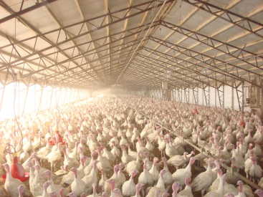
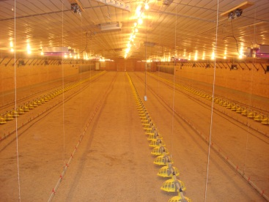
Dropped ceiling

Open ceiling

 | Bird information: |  | Metric
 | Number of birds | 43000 | 43,000
 | Bird weight (lbs) | 5 | 2.3 kg
 | Heat production per pound | 6.2 | 4.0 Watts/kg
 | Pounds per square foot | 7.2 | 35.0 kg/m2

Broiler heat production (Btu's/hr per lb.):
4 lb. = 6.6
5 lb. = 6.2
6 lb. = 5.9
8 lb.+ = 5.4
Other types of poultry (Btu's/hr per lb.):
Broiler pullets = 3.5
Broiler breeders = 4
Turkeys (heavy toms) = 4
Turkey poults (brooder barn) = 7
Commerical layers = 3.5

 | Side wall construction (For houses without curtains and/or foundations, lower sidewalls, etc enter "0" for height)
 | Curtain height | 3 | 0.92 m
 | Upper side wall height | 2 | 0.61 m
 | Lower side wall height | 2 | 0.61 m
 | Stem/foundation wall height | 0 | 0.00 m

Curtain side wall
Curtain side wall
Totally enclosed side wall
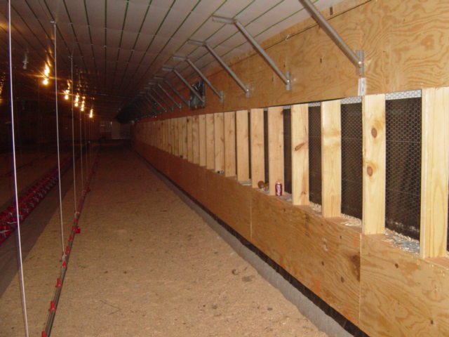
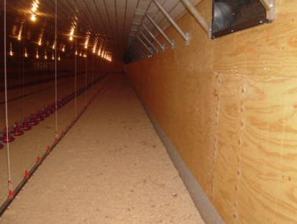
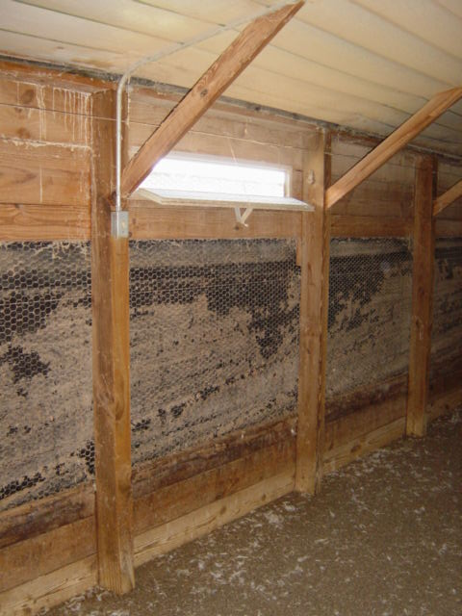
Upper side wall
Upper side wall

Curtain opening
Side wall
Curtain opening

Lower side wall

Stem wall/foundation
Lower side wall
Stem wall/foundation

 | Lighting:
 | Number of light bulbs | 150 | 150
 | Light bulb wattage | 10 | 10

 | House surface insulation values (hr/btu*ft2*F) | (enter "0" for blank values) | Metric
 | Ceiling R-value | 12 | 2.11 m2*C/Watts
 | End wall R-value | 12 | 2.11 m2*C/Watts
 | Upper side wall R-value | 12 | 2.11 m2*C/Watts
 | Lower side wall R-value | 12 | 2.11 m2*C/Watts
 |  | 0 | 0.00 m2*C/Watts
 | Curtain R-value | 1.5 | 0.26 m2*C/Watts

 | Tunnel fan information:
 | Approximate air moving capacity of tunnel fans (cfm) | 25000 | 42,500 cmh | Ceiling | 125,623 Btu's/hr | 8.4%
 |  |  |  | Lights | 4,335 Btu's/hr | 0.3%
Results: |  |  | Metric
Total poultry house heat load = |  | 1,487,242 Btu's/hr | 432,787 Watts | End walls | 950 Btu's/hr | 0.1%
Minimum tunnel fan capacity = |  | 277,989 cfm | 472,581 cmh
Approximate number of tunnel fans = |  | 11.1 | 11.1
Average air speed = |  | 488 ft/min | 2.44 m/sec | Upper side walls | 1,667 Btu's/hr | 0.1%
Temperature difference from tunnel inlet end to fan end = |  | 5.0 F | 2.8 C | Curtains | 20,000 Btu's/hr | 1.3%
Cfm per square foot of floor space = |  | 9.3 | 169 m3/hr per m2 | Lower side walls | 1,667 Btu's/hr | 0.1%
Cfm per bird = |  | 6.5 | 11.0 m3/hr per bird
Btu's/hr per square foot |  | 50 | 155 watts per m2 | Birds | 1,333,000 Btu's/hr | 89.6%
 |  |  |  | Total | 1,487,242 Btu's/hr
Change tunnel fan capacity from minimum?
Tunnel fan capacity (cfm) = |  | 360000 | 612,000 cmh
Approximate number of tunnel fans required = |  | 14.4 | 14.4
Temperature difference from tunnel inlet end to fan end = |  | 3.9 F | 2.1 C
Average air speed = |  | 632 ft/min | 3.16 m/sec
Cfm per square foot of floor space = |  | 12.0 | 219 m3/hr per m2
Cfm per bird = |  | 8.4 | 14.2 m3/hr per bird

Estimated pad area (1 ft2 per 350 cfm of modified tunnel fan capacity) |  |  | Metric
Required evaporative cooling pad area |  | 1029 ft2 | 95.7 m2
Total pad length (5' tall pad) |  | 206 ft. | 62.7 m
Total pad length (6' tall pad) |  | 171 ft. | 52.3 m

Side wall inlet system design (1 ft2 per 750 cfm of min. tunnel fan capacity) |  |  | Metric
Desired side wall inlet capacity (40 to 60 % of minimum tunnel fan capacity) |  | 50 | 50%
Side wall opening height (inches) |  | 10 | 25 cm
Side wall opening length (inches) |  | 42 | 107 cm
Total side wall inlet area |  | 185 ft2 | 17.2 m2
Number of side inlets required |  | 64 | 64

Tunnel fan comparison
Minimum ventilation tunnel fan capacity to insure more than a 5 temperature rise typically requires between 9 and 11 cfm/ft2 of floor area. A more precise minimum tunnel fan capacity can be determined by using the UGA Poultry House Heat Gain Spreadsheet.
Tunnel-Ventilated Broiler House Fan Comparison 2018
The University of Georgia Department of Poultry Science - Michael Czarick (mczarick@uga.edu)
Enter green values in all sections (don't enter "$" or "," )
Do you want to display equivalent metric input values (yes = 1, no = 0)? |  |  | 0

Input poultry house information
House length= |  | 500 | 152.5 m | Electricty rate ($ per kw*hr) = |  | $0.13 | $0.10
House width= |  | 40 | 12.2 m | Estimated yearly operating hours = |  | 3,000 | 3,000
Side wall height= |  | 8 | 2.4 m | Minimum design air velocity = |  | 700 | 3.5 m/sec
Ceiling peak height= |  | 11 | 3.4 m | Minimum tunnel fan capacity (cfm/ft2) = |  | 9.5 | 174 cmh/m2
 |  |  |  | Total minimum tunnel fan capacity (cfm) = |  | 190,000 | 323,000 cmh
Estimated yearly operating hours can be very difficult to estimate. On average for a producer
growing a large broiler the average number of operating hours per fan is between 1,750 and 2,500
hours. For producers growing smaller birds the average tunnel fan operating hours is often 30%
or lower.

Tunnel fan information
Tunnel Fan Model | Air Flow (0.05") | Air Flow (0.10") | Air Flow (0.15") | Air Flow(0.20") | Energy Efficiency | Air Flow Ratio | Price of Fan
 |  |  |  |  | cfm/watt @ 0.10" | (calculated) | ($)
name | 20,000 | 20,000 | 20,000 | 20,000 | 20.0 | 1.00 | $1,000
name | 20,000 | 20,000 | 20,000 | 20,000 | 20.0 | 1.00 | $1,000
name | 20,000 | 20,000 | 20,000 | 20,000 | 20.0 | 1.00 | $1,000
name | 20,000 | 20,000 | 20,000 | 20,000 | 20.0 | 1.00 | $1,000
More details on Tunnel performance fan ratings can be found at
www.poultryventilation.com (https://www.poultryventilation.com/tips/vol24/n12)

Tunnel fans required
Tunnel Fan Model | Design static | Tunnel Fan | Number of fans | Total air moving capacity | Total fan operating | Average air speed
 | pressure | capacity | required * | at design static pressure | cost (yearly) * | (all fans operating)
name | 0.15 | 20,000 | 13 | 260,000 cfm | $5,070 | 680 ft/min | 3.4 m/sec
name | 0.15 | 20,000 | 13 | 260,000 cfm | $5,070 | 680 ft/min | 3.4 m/sec
name | 0.15 | 20,000 | 13 | 260,000 cfm | $5,070 | 680 ft/min | 3.4 m/sec
name | 0.15 | 20,000 | 13 | 260,000 cfm | $5,070 | 680 ft/min | 3.4 m/sec

Total fan cost
Tunnel Fan Model |  | Five Year |  | Ten Year
 | Total fan cost | Electricity cost | Total cost | Electricity cost | Total cost
name | $13,000 | $25,350 | $38,350 | $50,700 | $63,700
name | $13,000 | $25,350 | $38,350 | $50,700 | $63,700
name | $13,000 | $25,350 | $38,350 | $50,700 | $63,700
name | $13,000 | $25,350 | $38,350 | $50,700 | $63,700

